Sheet4
Distribution Frame | Active Power Watts | Minimum Runtime | Rationale / Comments
FEMA | 64.4 | 30
HS-Clinic | 64.4 | 30
HS-Pressbox | 64.4 | 30
HS-Fieldhouse | 86.6 | 30
HE-100 | 108.8 | 30
HE-A100 | 116.2 | 30
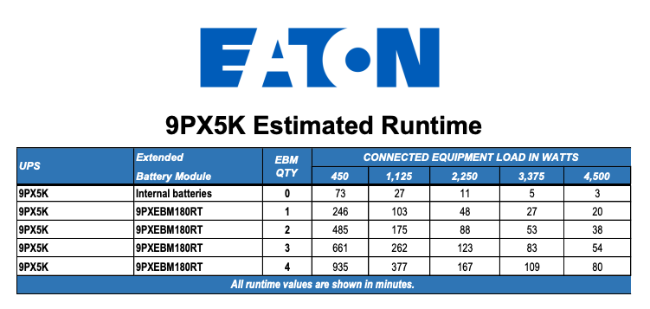
HE-B300 | 116.2 | 30
HS-600 | 116.2 | 30
UE-30 | 116.2 | 30
HE-B100 | 123.6 | 30
UE-Commons | 123.6 | 30
HS-800 | 138.4 | 30
HS-Core | 138.4 | 60 | Interconnect UE-Core and HS-Library
HE-C100 | 145.8 | 60 | Central Office
HS-300 | 145.8 | 30
UE-40 | 145.8 | 30
HE-B200 | 153.2 | 30
UE-60 | 168 | 30
MS-Commons | 175.4 | 30
HE-C200 | 197.6 | 60 | Heritage Front Office, Phone System
ECC | 247.2 | 60 | ECC Front Office
MS-D100 | 269.4 | 30
MS-C100 | 284.2 | 30
MS-Core | 321.8 | 60 | Middle School Front Office, Phone System
HS-Library | 350.8 | 60 | High School Front Office, Phone System
HE-Core | 1162.2 | 120 | Server Backup System, Phone System
UE-Core | 1226 | 120 | 9PX5K w/ 2 EBMs already installed for servers, watts value is for network equipment. Current runtime is 120 minutes (assume 1700 watts from chart).

